DOL
Amine reactive (NHS) Fluorogenic Dye conjugation Calculator v1. TT

pHrodo™ Green STP Ester, Thermo P35369 |  | Filter: Alexa 488, FITC
pHrodo™ Red, succinimidyl ester, Thermo P36600 |  | Filter: Alexa 555, TRITC

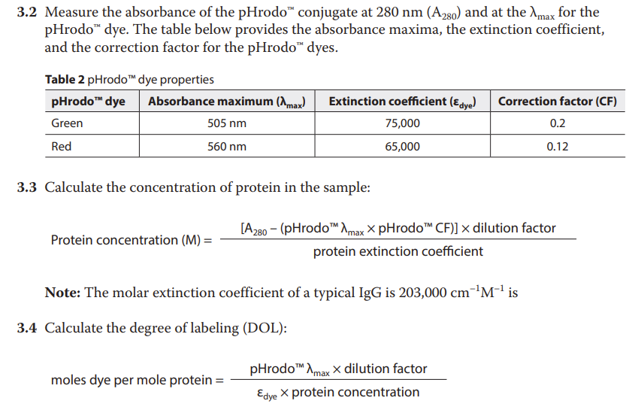
pHrodo™ Green Conjugation
Protein concentration (M) | 0.00
A280
pHrodo™ λmax | 75,000.00
pHrodo™ CF | 0.20
Dilution factor
Protein extinction coefficient | 203,000.00

Moles dye per mole protein | #DIV/0!
pHrodo™ λmax
Dilution factor
εdye | 75,000.00
protein concentration

https://assets.thermofisher.com/TFS-Assets/LSG/manuals/mp36600.pdf

